Chapter 26
Ross, Westerfield, Jaffe, and Jordan's Spreadsheet Master
Corporate Finance, 11th edition
by Brad Jordan and Joe Smolira
Version 11.0

Chapter 26

In these spreadsheets, you will learn how to use the following Excel functions:

Linking to Word documents

The following conventions are used in these spreadsheets:

1) Given data in blue
2) Calculations in red

NOTE: Some functions used in these spreadsheets may require that
the "Analysis ToolPak" or "Solver Add-In" be installed in Excel.
To install these, click on the File tab
then "Excel Options," "Add-Ins" and select
"Go." Check "Analysis ToolPak" and
"Solver Add-In," then click "OK."

Section 26.4
 | Chapter 26 - Section 4
 | Cash Budgeting

The cash budget is the primary tool used in short-term financial planning. As with many calculations, the sales forecast is a primary input. As an example of the cash budgeting process, we will use the Fun Toys Corporation. The sales projections and other information provided are:

 |  | Q1 | Q2 | Q3 | Q4
 | Sales | $328,000 | $308,000 | $368,000 | $-

 | Beginning receivables: | $198,000
 | Receivables period (days): | 90

With the receivables period shown, we can calculate the percentage of sales collected in the current quarter as:

 | Percentage of sales received: | 0%

With these projections, we can summarize Fun Toys' projected cash collection as:

 |  | Q1 | Q2 | Q3 | Q4
 | Sales | $328,000 | $308,000 | $368,000 | $-
 | Cash collections | (198,000) | (328,000) | (308,000) | (368,000)
 | Starting receivables | 198,000 | 328,000 | 308,000 | 368,000
 | Ending receivables | $328,000 | $308,000 | $368,000 | $-

Next, we need to consider cash disbursements. The cash disbursements will be in the form of payment of accounts payable, wages, taxes, and other expenses, capital expenditures, and long-term financing expenses. We have the following information concerning these disbursements:

 | Purchases in previous quarter: | 50%
 | Payables period (days): | 90
 | Wages, taxes, and other: | 20%
 | Interest and dividends: | $10,000,000
 | Capital expenditure (Q4) | $100,000,000

With the payables period shown, we can calculate the payments for the purchases made in the current quarter as:

 | Purchases paid in the current quarter: |  | 0%
 | Purchases paid in the next quarter: |  | 100%

So, the cash disbursement projections are:

 |  | Q1 | Q2 | Q3 | Q4
 | Sales | $328,000 | $308,000 | $368,000 | $-
 | Purchases | 154,000 | 184,000 | - | 99,000
 | Uses of cash:
 | Payment of accounts | 164,000 | 154,000 | 184,000 | -
 | Wages, taxes, and other | 65,600 | 61,600 | 73,600 | 0
 | Capital expenditures | 0 | 0 | 0 | 100,000,000
 | Long-term financing expenses:
 | Interest and dividends | 10,000,000 | 10,000,000 | 10,000,000 | 10,000,000
 | Total cash disbursements | $10,229,600 | $10,215,600 | $10,257,600 | $110,000,000

To calculate the cash balance each quarter for Fun Toys, we need to know the beginning cash balance and minimum cash balance, which are:

 | Beginning cash balance: | $-
 | Minimum cash balance: | $5,000,000

The total cash balance for Fun Toys is projected to be:

 |  | Q1 | Q2 | Q3 | Q4
 | Total cash receipts | $198,000 | $328,000 | $308,000 | $368,000
 | Total cash disbursements | 10,229,600 | 10,215,600 | 10,257,600 | 110,000,000
 | Net cash flow | $(10,031,600) | $(9,887,600) | $(9,949,600) | $(109,632,000)
 | Cumulative excess cash balance | (10,031,600) | (19,919,200) | (29,868,800) | (139,500,800)
 | Minimum cash balance | 5,000,000 | 5,000,000 | 5,000,000 | 5,000,000
 | Cumulative surplus/(deficit) | $(15,031,600) | $(24,919,200) | $(34,868,800) | $(144,500,800)

RWJ Excel Tip
One advantage of spreadsheets is that once created, they can be used for the same calculations in the future. Of course, many times the output will be used in a memo. Fortunately, Excel and Word can be linked in a way that the desired output in Excel is automatically integrated in a Word document. If you open the Chapter 26 memo Word document, you will see a memo about the cash budget for Fun Toys for the next year. We have linked all of the numerical values in the Word document with this Excel file. If you change a value in the Excel file, it will automatically change the corresponding value in Word.

To link the output in Excel and Word, we first copied the cell in Excel. Next, we went to Word and positioned the cursor at the place we wanted the output from Excel to display. From the Home tab, we selected the small arrow below the Paste option, then Paste Special. A box similar to the box below will appear.

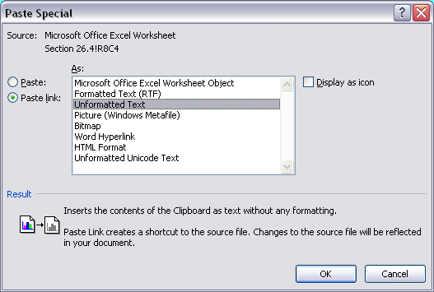

The Paste link button must be chosen. If the Paste button is chosen, the result will be a static value. In this case, we chose to paste as Unformatted Text. Each of the pasting options will paste in a slightly different format. Try a couple of the other pasting formats on your own to see what the resulting paste operation looks like.

